BLACK COFFEE ROASTERS (Coffee)
DATE | INV NO. | DESCRIPTIONS | QTY | PRICE | BILLS | TOTAL | DUE DATE | STATUS
2-Mar-2026 | BL2-10-2769 | CANGGU BLEND 1 KG | 20 | IDR 280,000 | 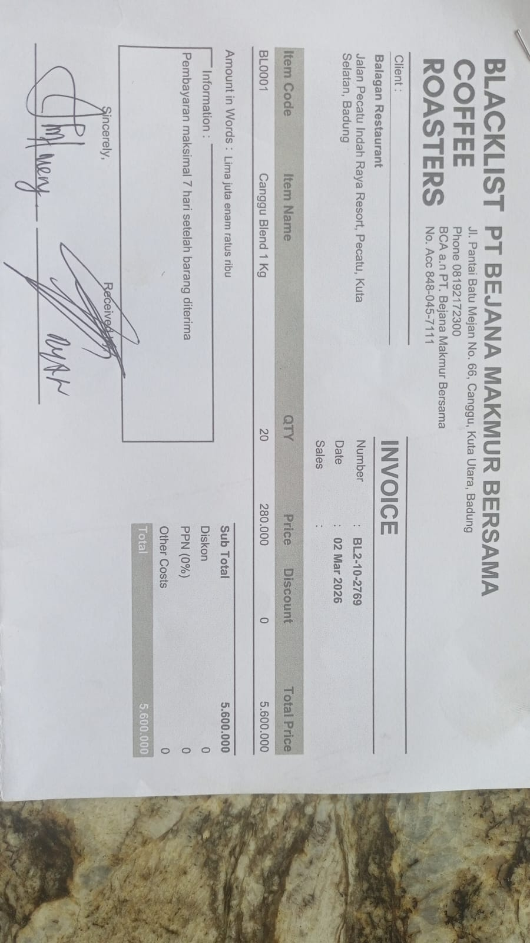 | IDR 5,600,000 | 9-Mar-2026 | PAID
30-Mar-2026 | BL2-10-2966 | CANGGU BLEND 1 KG | 20 | IDR 280,000 | 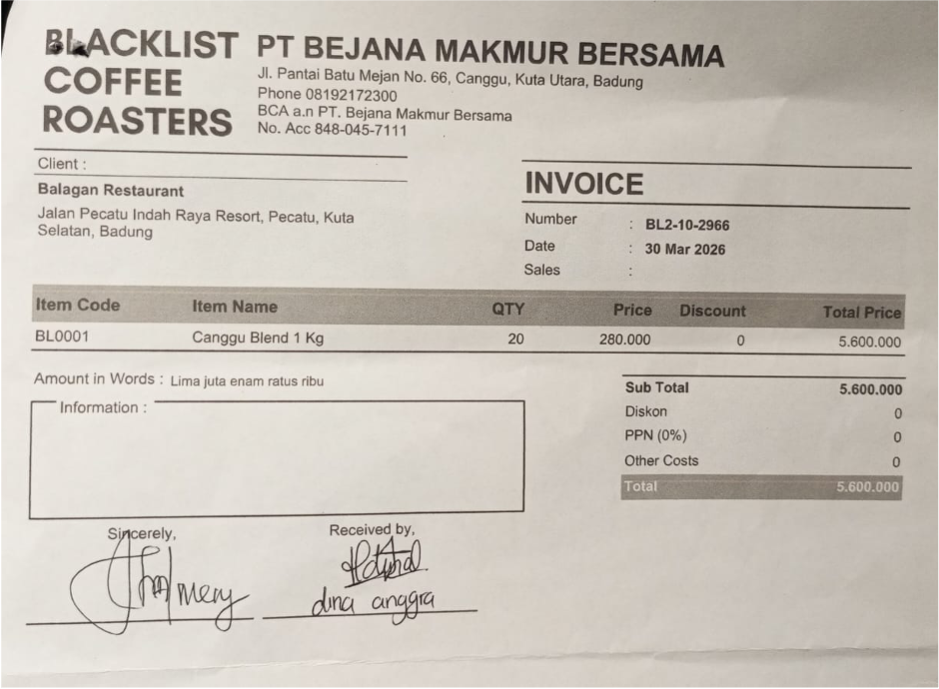 | IDR 5,600,000 | 6-Apr-2026 | UNPAID
Total |  |  |  |  | Rp5,600,000

